BVP and investment
Evidence | Summary of insight
 | Description of insight source | Date | How macro context may have influenced the research study/insight source | Participants | Method | Sample Size | Licence Area to which insights apply | Main Insights (3-4 bullets) | Any notable sub groups differences/trends (3-4 bullets, not every difference)
PR19 Foundation Research - Full Report - June 2017 | Foundation research for PR19 to set the framework for PR19 engagement. | May-June 2017 | Increasing focus on customer vulnerability. | HH and NHH customers | Qualitative: 10 groups, 15 depths with vulnerable customers and 6 depths with large NHH. | 70 HH, 23 NHH | SSW and CAM | Unprompted customer priorities focus on continuity and quality of supply and service, affordability and reduction of wastage
WRMP Full Report - Oct 2017 | WRMP research conducted to inform WRMP and PR19 specifically understanding customers’ views on Levels of service, Leakage, Water efficiency, Metering. Also convered environmental impact and options for the future | September 2017 (FW dates not given) | Increasing focus on customer vulnerability. | HH and SME customers | Day long workshops, half day reconvened workshops, NHH round tables and online quant survey. | Workshops 62, business and stakehlder round tables 21, survey: 300 in SSW, 200 in CAM | SSW and CAM | Priorities in both regions: Ensuring water quality, Keeping bills affordable, Reducing leakage
1A - SSC Customer Priorities Desk Research Report - Aug 2020 - v1 | Lit review of customer priorities work conducted for and after PR19 | Aug-20 |  | Various | Lit review | 13 reports | SSW and CAM | The synthesis reveals a considerable degree of consistency in SSC customers’ priorities expressed throughout the various customer engagement activities. Based on this, we derive a list of core priorities or “hygiene factors” that customers want SSC to deliver on. These “hygiene factors” include:  high-quality and reliable water supply  fair, accurate and affordable bills  great customer service  reducing leakage on pipes  protecting the natural environment – habitats and water sources and  helping those customers who may need extra support – both through financial support and other support when needed. Besides the core priorities, others emerged as future “hygiene factors” through the customer engagement programme. These include:  giving customers more control of their water usage (e.g. smart metering) and providing education on how to use water responsibly, particularly for the younger generation (16-25)  planning for population growth and managing the impact of climate change  ensuring affordability of bills vs ensuring long-term resilience of assets to meet future demand  meeting the challenge of rising energy costs by lowering carbon footprint; and  investing in innovation to drive improvements in operational and customer services.
SSC Customer Priorities Tracker Qual Wave 1 Report - Oct 2020 | Qualitative research to understand short and long term priorities (year 1 of tracking) | 1st - 19th October 2020 | Pandemic. Heavy uncertainty at this time, jobs at risk. Furlough, vaccine not yet rolled out. | Customers | HH: 10 x Zoom mini groups and 5 zoom depths (vulnerable) NHH: 2 Zoom Triads and 5 zoom depths | c60 in total | SSW and CAM | Hygiene: Water quality Continual supply for everyone and pressure Minimising leakage through repair and investment Affordable pricing and support for vulnerable Efficient customer service (if need) Good communication during outage Enhancing: Environmental responsibilities Choice of meter Good website Water conservation at home and outside Water usage information and control Education in schools Ongoing innovation of infrastructure Addressing limescale issues Above and beyond: Smart meters Incentives and tools to save water Additional environmental projects Sponsorship/grants Community initiatives e.g. water fountains
SSC WRMP24 - WRAP Theme 1 research findings 16.08 | Deliberative engagement to explore household customer, future customer and SME business customer preferences in terms of: • Environmental ambition • Levels of service/resilience ambition • Water efficiency ambition: leakage/PCC/metering • Best value planning criteria To ensure a “golden thread” of customer preferences in these strategic areas, which sets the context for the remainder of the engagement programme. | June-Aug 2021 | Pandemic, rising cost of living | HH (28), future (9) and SME (10)customers | Deliberative engagement across 2 weeks. Covering background, resilience, demand and supply options and environment, cost and fairness | 47 Customers | SSW and CAM | • Participants generally favoured a balance between supply and demand options, but wanted to see demand management explored fully and first, before considering major supply side investments • When asked to prioritise company actions at the end of the exercise, the provision of reliable, clean drinking water, minimising the environmental impact and reducing leakage were the top three in both areas. • However, it should be noted that participants were forced to differentiate, and many expressed that they had found the exercise difficult. Furthermore, concerns in relation to affordability were a recurrent theme. Fairness of long term investment: customers were generally happy to pay for investments that will benefit future generations. They recognised that they already benefit from contributions paid for by previous generations for the benefit of all. Making sure the environment is fit for future generations is the responsible thing to do, not least because current customers have contributed to the problems. Young current customers might actually benefit themselves in future. “We have to take responsibility for the environment surrounding us and pay for whatever is necessary to protect it. We have to leave it in a better state than we encountered it, not leave huge bills for our children to pay. We also have to stop being selfish and only focus on keeping our current bills low.” Anna (billpayer) The minority who opposed this view felt the cost should be borne by future customers as it is not fair for current customers to pay for something they will not benefit from. | Future customers, like current customers, were mindful of and concerned about the potential bill impact from investment. were no different from other customers in their views about intergenerational fairness.
Blue Marble, WRE: Club customer engagement | To provide WRE with the consumer and stakeholder perspective on the optimal regional approach to delivering a ‘best value’ plan to ensure long term security of supply. | Sep-21 |  |  | Qualitative: HH 16 reconvened groups NHH: 14 depths Stakeholders 20 depths/paired depths | HH: 20 (CAM 5, Essex & Suffolk 5: Anglian 10) NHH: 14 (Anglian 8, Essex & Suffolk 3, CAM 3) Stakeholders: 20 organisations across the 3 companies | CAM Anglian Essex & Suffolk | 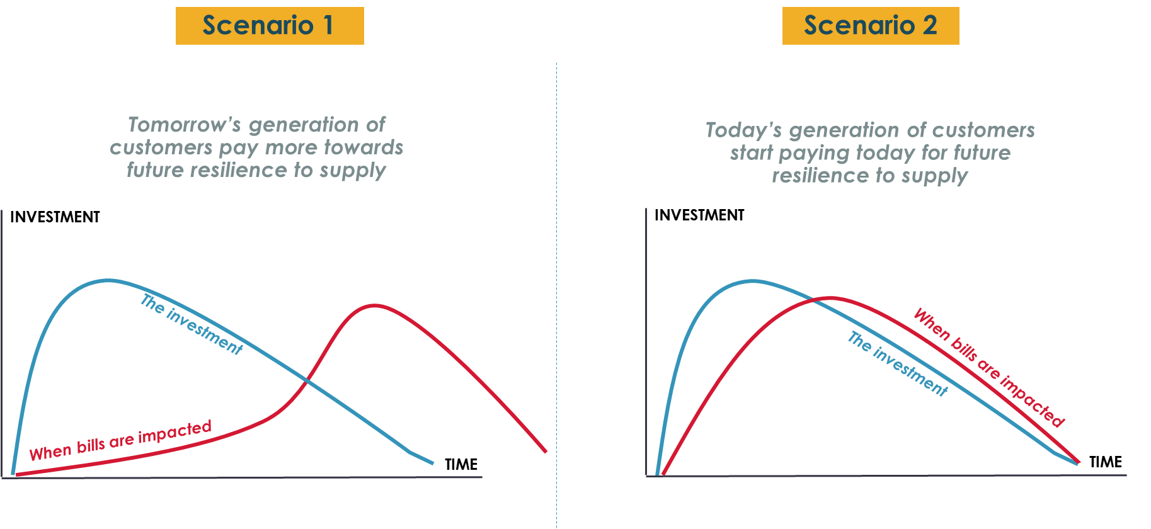 General public view is largely accepting of the idea of the best rather than the cheapest ​ NB terminology can be confusing as ‘best value’ in other consumer contexts means ‘the cheapest’​ Consumers don’t necessarily equate the idea of this plan affecting customer bills directly. Intergenerational fairness: Customers found it hard to decide which is the fairest solution to this ethical conundrum and there was no clear consensus. Currently the bill increases appear abrupt in both scenarios and there is a desire for a middle option with a flatter curve. “I think what's fairer is if these humps on the graph could be flattened a bit, and the timescale elongated (...) that would be fairer because the rewards will be reaped for a considerable length of time so the increase in tariff should be spread over a longer period." Cambs Non bill payer Scenario 1: For many, it doesn’t make sense to be paying for something you are not using at that time and some older customers thought that they would die before they would see any benefit from their contribution. “I’d go for scenario one because it’s hard to pay for something that you don’t know is tangible, it’s hard to see what you’re being charged for without seeing the end product." Cambs Non bill payer Scenario 2: For some, scenario 2 feels logical because customers pay for the investment whilst it is being made. Some older customers would rather pay instead of their children and grandchildren, even though they may not see the benefits themselves. ABC1s in particular pointed out that we have caused the problem of climate change rather than future generations and therefore should bear the cost. “I think if we want improvements we are going to have to start paying for them now. I’m happy to start investing now as it feels urgent. It would be really unfair to pass onto our grandchildren the cock up we made." E&S C2DE | (ABC1s are more likely to see that this will affect their bill whereas C2Ds tend not to be aware that investment choices impact their bills.) Scenario 1: Economically vulnerable customers would choose this scenario because they cannot currently afford a rise in bills, and some younger customers considered that they would be more financially stable and able to pay later on in life. Scenario 2: Some older customers would rather pay instead of their children and grandchildren, even though they may not see the benefits themselves. ABC1s in particular pointed out that we have caused the problem of climate change rather than future generations and therefore should bear the cost. “I think if we want improvements we are going to have to start paying for them now. I’m happy to start investing now as it feels urgent. It would be really unfair to pass onto our grandchildren the cock up we made." E&S C2DE
Accent Quant Themes 1 and 3 Study - Mar 2022 | Programme based on four themes to support development of SSC’s draft WRMP24. | Feb to March 2022 | Pandemic, rising cost of living, Ukraine invasion | 1028 HH, 152 NHH | Online and face to face | 1180 in total, 753 in SSW and 427 in CAM | SSW and CAM | In response to planning balances, SSW customers overall slightly favored keeping bills as low as possible for customers. Cambridge customers as a population were more evenly split between keeping bills low and investment
SCC Customer Priorities Tracker - Year 2 Quant deck - May 2022 | Quantitative research to understand short and long term priorities (year 2 of tracking) | May, Sep, Dec 2021 and Mar 22 | Pandemic, cost of living crisis, Ukraine invasion | 701 SSW, 353 CAM HH Customers | Online survey, included Max Diff. | 1054 | SSW and CAM | Top four priorities are Reliability of quality, bill affordability, leakage reduction and long term planning - consistent with qualitative. Around 2 in 5 of customers reported their water consumption has returned to pre-pandemic levels, and the same proportion still think they now use more water than before. A significantly higher proportion of customers in Y2 reported concerns with paying their household bills when compared to year 1. This applied to both now and when thinking about the next 12 months
3543rep01_literature review_v1 | The study aims to understand: -What types of public value customers perceive are important and preferences among those types (and if the preferences change depending on the geographical location/type of scheme or other factors) -How much are customers prepared to pay -What language should be used to explain public value | Apr-22 |  | n/a | literature Review | n/a |  | Preferred 'best value plan' objectives (blue marble 2021) % of top 4 best objectives Top 3 - Affordable water bills over the long term 70% - The most from what we have (reducing leakage, encouragning customers to use less) 68% - A plan that is adaptable in case of new/emerging conditions Bottom 3 - Creating attractive water environments for recreation and wellbeing 17% - What regional organisations businesses and consumers say they want 6% - job creation and benefits to the local and regional economy 5%
SSC Customer Priorities Tracker - Qualitative wave 2 Research - May 2022 | Qualitative research to understand short and long term priorities (year 2 of tracking) | May-22 | Tail end of pandemic and cost of living crisis. | Customers | 6 x Zoom groups | 27 current and future HH consumers and 7 NHH customers, 5 depths with 75+ and financially vulnerable, 5 depths with 50+ NHH customers | SSW and CAM | Optimism when moving out of pandemic was short lived and has been replaced by significant cost of living concerns (for both HH and NHH customers) Environment is taken more seriously than ever and understood better BUT has been pushed to a longer-term issue and dwarfed by short term, personal economic concerns. Generalised cost of living crisis makes people think more about their own situation vs. more altruistic qualitative picture in October 2020. High level response to the “Looking to Future” plan is very positive – mapping back spontaneous long-term priorities to this made customers feel SSW/CW were covering the challenges raised and meeting future expectations. Most customer opt for what they see as a compromise of a natural bill profile to 2050, with minorities supporting increased front-loaded short-term investment OR back-loaded long-term investment. Customers expecting more to be delivered as part of basic service compared to 2020. | Many NHH customers have a strong social conscience wanting to support local communities AND stronger environmental/affordable balance
SRO Public Value - Draft report - July 2022 | To understand what added value customers perceive is important as part of infrastructure development To understand preferences for the added value – what should be the balance between options such as economy, jobs, apprenticeships, leisure, education and carbon sequestration etc? Do the preferences change depending on the geographical location/type of scheme or other factors? How much are customers prepared to pay? What language should be used to explain the added value? | Jul-22 |  | HH, NHH, Future, | Qualititative: Reconvened method to introduce and explore generic ‘Public Value’ then test what is important for large infrastructure projects within the water industry; supported by preparatory and interim homework activities Twenty Four Zoom groups with HH, NHH and Future Customers across six water companies Quant: choice exercise , contingenet valuation exercise | Qual: unknown Quant: 5902 HH, 533 NHH | WRE | across water companies, social grades and life stage, there was limited/no prior understanding of the phrase ‘Public Value’. At best, there was an assumption that it means a company would make a positive contribution (economic, social, environmental) to local and national society that would improve public well being. “I have never really come across the term public value. I would think of the term providing a product or service which will add value to the general public’s life. These things will either provide happiness, stability or a necessity” Affinity Water, Future. At worst, there was confusion, disengagement and a sense that any company talking about ‘Public Value’ is ‘CSR washing’. Water companies should be mindful about using the ‘Public Value’ phrase without detailed explanation. ‘Added Value’ is an easier phrase to understand and is seen as delivering ‘Over and Above’ the core project objectives.

